MFA Certification
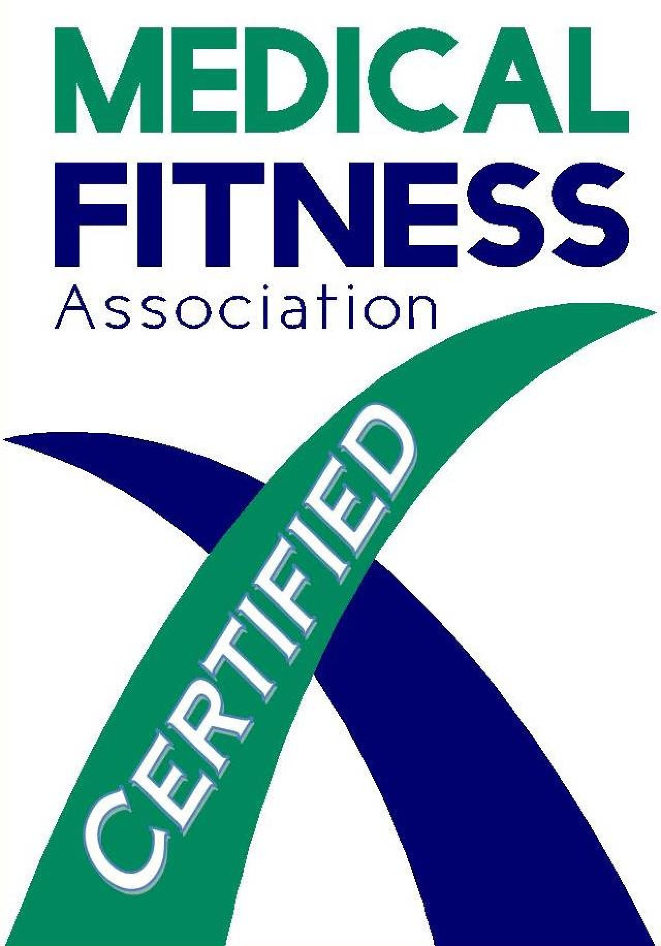
Effective Date: 2023

 | Facility Certification: Self Scoring Checklist

 | Facility Name:

 | Facility Location:

 | Comments:
 | Minimum Score of 90% and compliance with all Pass/Fail guidelines is required to pass the examination. Pass/Fail guidelines are noted in Red Font.

 | Facilities not located in the United States must meet the "intent" represented in a guideline when evidence of compliance is dependent upon U.S. based laws, regulations, certifications, etc… (e.g., HIPAA, OSHA, ADA, NCCA, etc…). Scoring these guidelines as "N/A" is not appropriate.

 | Scoring a guideline as "N/A" should only be used when the facility does not have the capability of compliance due to facility limitations (e.g., no pools) or has a policy or procedure that is "greater" than represented by the guidelines. An explanation on Form G NAs is required for all items scored NA.
 | _____________________________________________________________________________________________________________________________________________________
 | Comments:

I. Medical Oversight

Medical Oversight Standard 1: A Medical Fitness Center must have medical oversight. A medical director, a physician advisory committee, and/or a physician advisor must be in place to provide medical oversight for the facility's programming in order to maximize the safety of all participants and ensure medically and scientifically sound programs and services.
Guideline |  | Score
1 | Does the facility leadership and the medical director/advisory committee meet at least four times a year? Documentation of at least one year's minutes required.
 | a. Does the advisory committee provide a cross section of medical expertise?
2 | Does the medical director and/or advisory committee provide oversight at least four times per year for:
 | a. facility's emergency-response/code policy and procedure review?
 | b. facility's AED program
 | c. staff emergency-response program and associated training?
 | d. emergency/code response outcomes, identification of opportunities for improvement and improvement outcomes noted?
 | e. review of clinical programs, policies, and clinical outcomes?
 | f. review of screening processes/protocols, associated outcomes, and appropriateness of follow-up?
 | g. review of the facility's continuum-of-care processes with regard to the appropriateness of referrals, communication, and necessary follow-up?
 | h. development of clinical program content, appropriate programming and safety considerations for special populations?
3 | Does the facility conduct a review/discussion of emergency response incidents during the prior quarter and document any recommendations for improvement?
 |  |  | 0
Medical Oversight Standard 2: The clinical services offered within a Medical Fitness Center must comply with current national, state and/or local laws and regulations. For example, facilities in the United States must meet the requirements of the Centers for Medicare and Medicaid Services (CMS) for programs such as cardiac rehabilitation phase II, physical and occupational therapy, speech therapy, diabetes education, and other billed clinical services including, but not limited to the requirements for physician referral, supervision, communication, documentation/charting, and patient safety. Facilities outside the U.S. must meet similar standards that apply to their clinical services.
Guideline
4 | Are national, state and/or local requirements reviewed periodically for all clinical services (such as physical therapy, cardiac rehab, and any other clinical services billed to insurance) by appropriate management personnel and/or the medical advisory committee/director?
5 | Are the results of the review recorded and evaluated to determine whether a need for subsequent action exists?
 |  |  | 0

Medical Oversight Standard 3: A Medical Fitness Center must demonstrate a direct and valid relationship with its community healthcare system/local continuum of healthcare. There must be evidence of a systematic process that allows for the alignment of the healthcare system with the local continuum of care. The results of this alignment must be clearly demonstrated via well-defined and viable documented interactions with a hospital and/or health system, multiple hospitals and/or a physician group/clinic.
Guideline
6 | Does the facility's mission statement include a commitment by the facility to participate in the local continuum of care and individual/community health improvement?
7 | Does the facility document active participation in the local continuum of care and have supportive documentation of such participation for a minimum of one year, to include but not limited to:
 | a. documentation of an active relationship with a licensed healthcare provider organization (e.g., health system, hospital, physician group) with referrals coming from, and to, physicians or physician extenders?
 | b. records of hosted community and professional education programs/seminars covering a variety of health-related topics held on at least a quarterly basis?
 | c. documentation of participant attendance at the seminars, professional education programs and health related screenings that are offered?
 | d. follow-up efforts for individuals with results that are outside of the normal and/or expected results?
 |  |  | 0
II. Quality Management

Quality Management Standard 1: A Medical Fitness Center must have a systematic process in place to continuously assess and improve all aspects of health and fitness delivery, including, but not limited to, individual user outcomes, clinical and non-clinical programs/services, and operational/business processes.
Guideline
1 | Does the center have written policies (guiding principles) and procedures (specific steps to demonstrate compliance with policy) in place for ensuring all activities involving programs/services/processes are effective and efficient with respect to the facility's mission, goals, and objectives?
2 | Does the center's quality management program provide coordination, integration and support for performance improvement activities relating to clinical programs and processes and ensure participation by all appropriate departments and services to help accomplish the following:
 | a. a collaborative process in the design of new services, programs, or processes?
 | b. identify and utilize key findings to improve the member's/user's overall experience, and to improve processes and outcomes (using external benchmarks if available and appropriate)?
 | c. identify and utilize key findings to improve a member's/user's safety while participating in programs and activities?
3 | Does the center's quality management program use standardized processes for regular reporting of key information and outcomes related to a member's individual fitness/wellness program(s), and as a result, determine whether to continue, modify, or terminate such programs as identified and related to:
 | a. performance measures and improvement strategies (e.g., strength, endurance, flexibility, speed)?
 | b. program outcomes (e.g., personal training, weight loss participant, other)?
4 | Does the center have a standardized process for measuring and evaluating the outcomes of center programs and provide the basis for modification or termination of each program based on available data sources and benchmarks?
5 | Are performance improvement/outcomes data measured, evaluated, acted upon and documented in the following areas:
 | a. safety/emergency response?
 | b. individual member/user outcomes?
 | c. facility programs?
 | d. surveys?
 | e. business processes, including annual budget and associated performance?
 | f. comparative industry benchmarks/standards of performance for organizational operations, as indicators of efficiency and sustainability (including financial ratios such as Rev/SF, Members/FTE, Sal Exp/Tot Rev, etc.)?
 | g. goals/objectives and key strategies with assigned accountabilities?
 | h. human resource-related factors (such as turnover, productivity, absenteeism, average length of service of employees, employee satisfaction, etc.)?
 |  |  | 0

III Pre-Participation Screening

Pre-Participation Screening Standard 1: A Medical Fitness Center must offer each participant an appropriate pre-participation screening process, and refer identified at-risk individuals to a physician, or qualified healthcare provider, for medical clearance prior to participation in any type of physical exercise, recreation, sports activity or program affiliated with the Center.
Guideline
1 | Does the center have a systematic process of screening each participant for chronic diseases, associated risk classification, and the potential for exercise related illness or injury?
2 | Are all participants offered a pre-participation screening prior to their participation in physical activities offered by the center? If a participant should decline the pre-participation screening, does the center have a policy/procedure that allows the participant to participate in programs and activities if the participant signs a waiver releasing the center from any liability?
3 | Does the waiver (referred to in Guideline 2) clearly delineate in writing that the participant has been offered a pre-participation screening, has been informed of the basic health risks associated with participating in physical activities, has chosen not to follow the recommendation to participate in the pre-participation screening, is assuming personal responsibility for his/her own actions and has released the Center from any legal responsibility from claims or suits arising from his/her participation in the center's programs?
 |  |  | 0
Pre-Participation Screening Standard 2: If the pre-participation screening identifies a potential participant as having known cardiovascular, metabolic, pulmonary or renal disease and/or is identified as a high-risk individual who is not currently exercising or physically active, the participant should be advised, in writing, to consult with a physician and/or qualified healthcare provider, and provide documentation of such consult back to the center prior to participating in physical activity at the center.
Guideline
4 | Does the facility have a written policy/procedure consistent with local/state regulations that is approved by its medical advisory committee/director regarding participants who are identified as having risk factors that necessitate referral for medical consultation and who fail to obtain such consultation?
5 | Does the facility have a policy by which participants who are identified during pre-participation screening as as having known cardiovascular, metabolic, renal, or pulmonary disease and/or identified as a high-risk individual, and who are not currently exercising or physically active, advised in writing to consult with a physician and/or qualified healthcare provider, and provide documentation of such consult to the center prior to participating in physical activity at the center?
 |  |  | 0
Pre-Participation Screening Standard 3: The pre-participation screening, established in consultation with and approved by the medical advisory committee/director, should be reviewed and interpreted by qualified staff and the results documented, including referral to a qualified healthcare provider and the outcome of such consultation.
Guideline
6 | Are the results of the pre-participation screening reviewed by qualified staff and documented and utilized to identify and make appropriate decisions about what constitutes safe activity levels and modalities for that particular person?
7 | Does the facility, consistent with privacy regulations, utilize a form that details a participant's health information and offers a means for explicitly recording medical clearance (if given by appropriate medical professional), provided by the center to the individual to take to a physician?
 |  |  | 0
Pre-Participation Screening Standard 4: A medical Fitness Center must have a system in place for helping ensure that every member has the opportunity to achieve the maximum benefits of their individual exercise and program participation efforts.
Guideline
8 | Does the center employ accepted methods to assess functional capacity, body composition, muscular fitness, flexibility, balance, and other components of physical and motor fitness?
 | a. Does the center offer exercise testing for fitness assessments, as well as for exercise prescription purposes?
 | b. Is all fitness testing conducted and interpreted by qualified staff, according to industry accepted methods/protocols?
9 | Are fitness testing results used as a starting point for developing an appropriate exercise prescription and as a basis for monitoring that individual's program?
10 | Are all center members offered an initial orientation to the center, the exercise equipment, basic program concepts and emergency/safety guidelines?
 |  |  | 0

IV. Risk Management & Emergency-Response Policies

Risk Management & Emergency-Response Policies Standard 1: A Medical Fitness Center must have a written emergency-response plan (ERP) that enables a timely and appropriate response to any emergency event that threatens the health and safety of facility users and/or staff.
Guideline
1 | Does the ERP specify the most likely emergency situations that could occur and how each circumstance will be handled, including the precise responsibilities of the first, second, and third responders to a particular emergency utilizing Basic Life Safety (BLS) and First Aid standardization, and taking into consideration emergencies that may occur on the grounds of the facility including inside and outside of the facility?
 | a. is the ERP fully detailed in writing and maintained in an area easily accessed by facility staff, and includes procedures for documenting that all staff review the material on an annual basis?
 | b. as the ERP developed in concert with the local emergency medical services (EMS) provider in the area of the facility as well as the medical director/advisory board (and the hospital response team, if applicable)?
2 | Does the facility have a prompt and direct link to the "911" emergency-response center, which is visibly posted and clearly marked, and are all staff members made aware of the locations for all emergency equipment, including the facility's telephones?
3 | At a minimum, is there a first aid kit positioned in the babysitting center, the aquatic center, at the front desk, and on the fitness floor?
 | a. are all contents and expiration dates of the first aid kits checked on a regular basis and replaced at regular intervals prior to their expiration?
 | b. is the medical director and/or medical advisory comimittee used to advise upon the appropriate contents of the first aid kits?
4 | Does the facility conduct emergency drills at least quarterly at a variety of days/times/shifts during workdays, and maintain associated documentation that demonstrates the competencies of staff to respond to emergency situations (some of which to include use of AED equipment)?
 | a. does the medical director and/or medical advisory committee review the drills, and are improvements to the process noted and followed up on with an action plan?
5 | Does the facility have a formal incident reporting process and follow up management reporting program in place?
 |  |  | 0
Risk Management & Emergency-Response Policies Standard 2: With physician oversight in place, a Medical Fitness Center must have an appropriate number of automatic external defibrillators (AEDs) that are easily accessible for use.
Guideline
6 | Are the number of AEDs and the placement of the AEDs in a facility appropriate for the response time/distance (within 1.5 minute walk) to any location in the facility that it could be needed?
7 | Do all full-time employees, part-time employees and contractors of the center who regularly provide programs and services to members and guests on a routine basis, have current CPR/AED training, and is at least one staff member with current CPR/AED training on duty during all operating hours of the facility? [Note, this does not apply to individuals employed by a third party service company over which the facility has no control (e.g., facility maintenance services, housekeeping services, etc.)]
8 | Is each AED maintained according to the manufacturer's guidelines and is maintenance and monitoring documentation kept current?
 |  |  | 0
Risk Management & Emergency-Response Policies Standard 3: A Medical Fitness Center must conspicuously post the appropriate signage indicating the following: caution, danger, warning, required disability access requirements, building regulation signage and all signage involving fire and related emergency situations, as required by regulations and codes of appropriate governing bodies (e.g., ADA and OSHA for centers in the United States) in those locations that warrant such signage.
Guideline
9 | Is there appropriate signage posted that alerts users that a specific activity may expose them to an increased level of risk in every activity area where appropriate (such as sauna, steam room, whirlpool, aquatics area, racquet courts, fitness areas [using RPE or THR charts], hazardous conditions, shelter for inclement weather, equipment out of order)?
 | a. does such signage have the required signal icon, signal word, signal color, and layout, as specified by the American National Standards Institute (ANSI)?
10 | Does the facility provide signage that indicates access points for individuals with physical challenges?
11 | Does the facility provide signage that can be discerned by those individuals who have visual impairment?
12 | Does the facility post signage indicating the location of emergency phone(s), fire extinguisher(s), AED units, first-aid equipment, and emergency exits?
 |  |  | 0

V. Programs and Services

Programs and Services Standard 1: A Medical Fitness Center must have programs and services that address the needs and interests of its users.
Guideline
1 | Does the facility have clinical exercise programs for persons with chronic medical conditions, such as heart disease (CAD, CHF), pulmonary disease, cancer, chronic pain, orthopedic and/or neurologic problems (e.g., arthritis, fibromyalgia, osteoporosis, MS) cerebrovascular disease (stroke), sports injury prevention and rehabilitation, nutritional counseling, etc.?
2 | Does the facility operate a minimum of three clinical exercise programs to address the needs of their members, patients, and the community; and do those programs satisfy the following:
 | a. Are all treatments/interventions for program participants based on and adhere to nationally accepted guidelines?
 | b. Does each program have appropriate inclusion and exclusion criteria?
 | c. Do participants undergo a documented initial assessment with follow-up reporting to the referring physician and /or healthcare provider?
 | d. Do programs provide nutritional counseling by qualified staff, when appropriate?
 | e. Is appropriate mental-health counseling available to clinical program participants as necessary, either provided by the facility through the participants primary care physician, and/or by referral to a mental-health provider?
 | f. Does the program offer educational component(s) for program participants and, when appropriate, family members?
 | g. Does staff maintain an open line of communication with referring physicians and other healthcare providers to provide members with optimal care and programming?
 | h. Does the facility have policies and procedures in place that protect the confidentiality of all patients/clients and comply with privacy regulations? (for example Health Insurance Portability and Accountability Act of 1996 [HIPAA] and the Personal Health Information Act [PHIA])
 |  |  | 0
Programs and Services Standard 2: A Medical Fitness Center must offer preventive/lifestyle modification programs for members and the community at large.
Guideline
3 | Does the facility provide educational workshops/classes for the members and the community at large that utilize local healthcare professionals, as well as staff expertise and, when available, regional or national presenters on a regular basis?
4 | Does the facility offer lifestyle modification programs that are available for members and the community at large, that include such activities as wellness coaching services, group classes/workshops, and other programs and individualized services that provide participants with information and other guidance?
5 | Does the facility offer health-related classes, such as, but not limited to, CPR, AED, first aid, etc.?
 |  |  | 0

VI. Children and Youth

Children and Youth Standard 1: A Medical Fitness Center with youth/children's programming/services must have a written policy/procedure for collecting and documenting pre-participation information on the youth/children participants.
Guideline
1 | Does the Medical Fitness Center have a written policy that is approved by the Medical Advisory Committee or Medical Director for established children's programs/services, including but not limited to operational procedures to the program/service and emergency procedures specific to the program/service?
2 | Does pre-participation information (i.e., enrollment or registration forms) on youth/children include:
 | a. parent(s)/guardian contact information?
 | b. emergency contact information (including other than parent or guardian)?
 | c. list of individuals who have (and do not have) permission to pick up the child?
 | d. unique or special needs of the child that would affect the child's participation?
 | e. drop-off (sign in) and pick-up (sign out) procedures to insure the safety and security of the child?
3 | Does the Medical Fitness Center have written procedures, approved by the Medical Advisory Committee or Medical Director for established children's programs/services that include, but are not limited to:
 | a. operational procedures specific to the program/service?
 | b. emergency procedures specific to the children's program/service(s)?
 |  |  | 0

VII. Aquatics

Aquatics Standard 1: A Medical Fitness Center with aquatics facilities must have written policies and procedures specific to the programs and services that are to be offered in each aquatics area.
Guideline
1 | Are there written policies and procedures for the facility's aquatics areas and do they include, but are not limited to, basic rules/regulations for pool use and program/class supervision guidelines, including written policies that stipulate adequate supervision of children while they are in aquatics areas?
2 | Are there written policies that stipulate adequate supervision of children while they are in aquatics areas?
 |  |  | 0
Aquatics Standard 2: A Medical Fitness Center with aquatics areas must have specific written emergency plans for each aquatic area and appropriate rescue equipment that is easily accessible and kept in good condition.
Guideline
3 | Are there written policies and procedures that specify the responsibilities of staff handling emergencies in each aquatics area including the role of first, second, and third responder?
4 | Are all staff responsible for responding to an emergency in the aquatic areas provided with suitable training opportunities on a regular basis for water-related emergencies, with associated documentation that demonstrates the competencies of those staff members to respond in an appropriate manner to aquatic-emergency situations?
5 | Are all emergency and rescue equipment easily accessible and in good working condition?
6 | Does the facility take appropriate actions to minimize the risk of potential entrapments and entanglements in the aquatics areas (e.g., compliance with the Virginia Graeme Baker Pool and Spa Safety Act)?
7 | Does the facility develop and implement specific policies that guarantee adequate supervision of children while they are in aquatics areas?
 |  |  | 0
Aquatics Standard 3: A Medical Fitness Center with aquatics facilities must comply with all laws/regulations regarding pool chemistry, chemical storage, pool supervision, signage, etc., as required by appropriate governing bodies.
Guideline
8 | Does the facility employ or contract with at least one staff person who is a Certified Pool Operator?
9 | Based on applicable state or local laws or regulations, are the aquatic facilities required to have lifeguards and if so, are they scheduled appropriately to supervise pool activities?
10 | Is pool chemistry checked on a regular intervals, as required by appropriate governing bodies and associated regulations, with documentation recorded and maintained for review by appropriate agencies?
11 | Is the pool chemistry monitoring equipment periodically checked for appropriate calibrations/operations with appropriate documentation?
12 | Does the facility take documented steps to include appropriate signage to warn users of actions that pose potential risks to their health and safety, including head-first entry, breath-holding and underwater swimming?
...

